Resumo
Resumo

Sumário Executivo

 | Resumo dos Campos

 | Streams | Semana Atual
 |  | Concluído com ajuste | Concluído sem ajuste | Em curso | Pendente de ajuste
 | B02.00 | 13 | 61 | 0 | 7 | 81
 | B90.00 | 6 | 4 | 0 | 1 | 11
 | Total | 19 | 65 | 0 | 8

 | Resumo dos Controlos Regulamentares

 | Controlos | # Controlos Totais | Controlos NOK
 | Level 1 | 40 | 0 | 0%
 | B02.00 | 39 | 0 | 0%
 | B90.00 | 1 | 0 | 0%
 | Level 2 | 40 | 0 | 0%
 | B02.00 | 36 | 0 | 0%
 | B90.00 | 4 | 0 | 0%

 | Resumo dos Controlos de Formatos

 | Controlos | # Controlos Totais | Controlos NOK
 | Formatos | 92 | 6 | 7%
 | B02.00 | 81 | 5 | 6% | Valor fixo 'Not applicable', alinhado em sede de reunião
 | B90.00 | 11 | 1 | 9% | Valor '99' relativo ao registo de ajuste ('0000000000')
 | Registos com Missings | 92 | 0 | 0%
 | B02.00 | 81 | 0 | 0%
 | B90.00 | 11 | 0 | 0%
 | Registos com N/A | 92 | 36 | 39%
 | B02.00 | 81 | 31 | 38% | 29 campos de valor fixo, 1 campo de data e 1 campo de moeda estrangeira
 | B90.00 | 11 | 5 | 45% | Entidade '0000000000'

Aux_Oper_Capital_Social
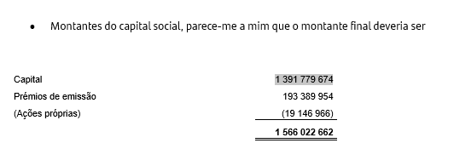
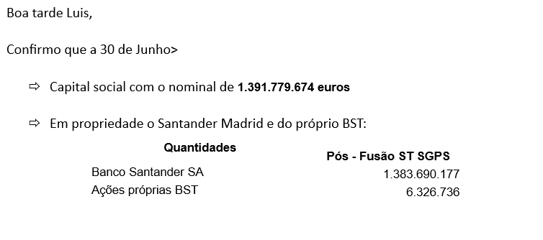
CD_CAPTOOLS.FR001_UNIV_SALDO |  |  |  | CD_CAPTOOLS.FR802_PL_CONTAS
chave_saldo | zcliente | ccontab_final_ifrs | sum_msaldo_final | conta | carteira_contabilistica | instrumento_financeiro | tipo_conta | composicao_valor |  | bruto_imparidade
31641600005800007PTCPP0AM0007000 | 5100011001 | 6000 | 6,326,736.00 | 6000 | capital | instrumentos de capital | C
31641600005800007PTCPP0AM0007000 | 5100011001 | 660 | -19,146,966.41 | 660 | acoes proprias |  | C
31641600005800007PTCPP0AM0007000 | 0000000000 | 6000 | 1,762,761.00 | 6000 | capital | instrumentos de capital | C
31641600005800007PTCPP0AM0007000 | 0000003686 | 6000 | 1,383,690,177.00 | 6000 | capital | instrumentos de capital | C
31CMAHIFRN0000000100I610P6320SC0 | 0000000000 | 610 | 193,389,953.68 | 610 | premios de emissao | instrumentos de capital | C

B02.00 |  |  |  |  |  |  |  | ct610_titulos.mon_fund_prop_mod
Unique internal identification number | Original amount issued in EUR | Outstanding principal amount | Portion of instrument or liability held by the reporting entity | Accrued interest | Applicable fees and charges | Outstanding amount | Relevant amount for Bail-in/WDC | Eligible amount for own funds at individual level | Eligible amount for own funds at consolidated level | Carrying amount IFRS

0020 | 0050 | 0080 | 0090 | 0100 | 0110 | 0120 | 0130 | 0540 | 0560 | 0610
31641600005800007PTCPP0AM0007000 | 1,391,779,674.00 | 1,385,452,938.00 | 6,326,736.00 | 0.00 | 0.00 | 1,385,452,938.00 | 1,385,452,938.00 | 1,256,723,284.00 | 1,256,723,284.00 | 1,372,632,707.59
 | 1,391,779,674.00 | 1,385,452,938.00 | 6,326,736.00 |  |  | 1,385,452,938.00 | 1,385,452,938.00 |  |  | 1,372,632,707.59
 |  |  |  |  |  |  | 1,578,842,891.68

